Sheet1


Sheet2


Sheet3
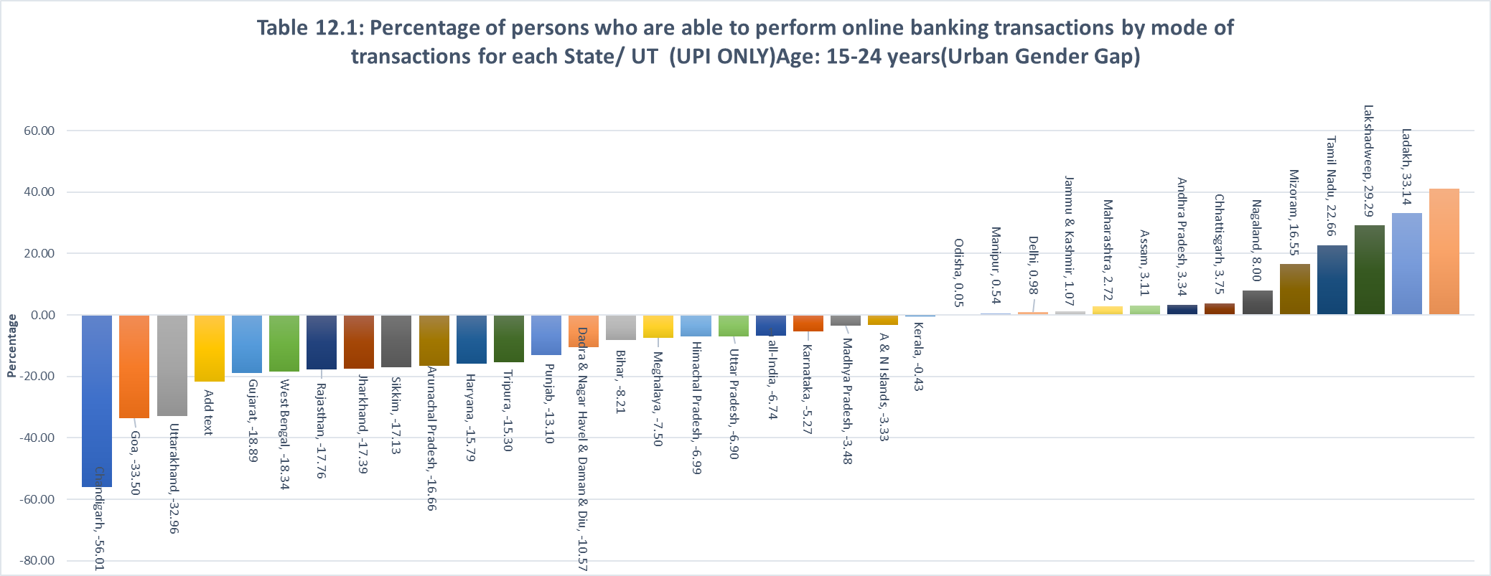

Sheet4
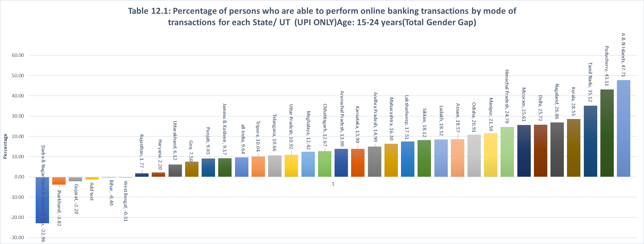

Sheet5
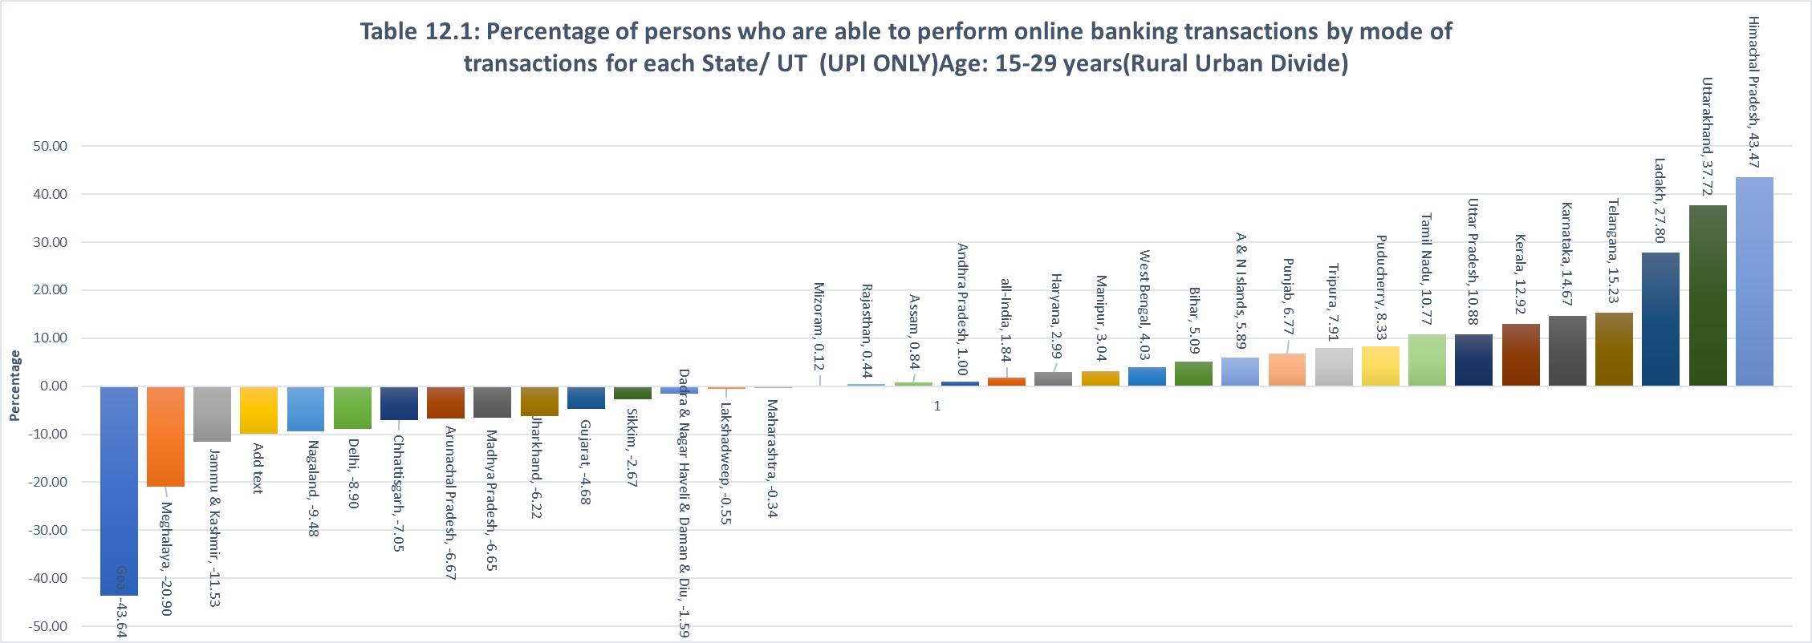

Sheet6
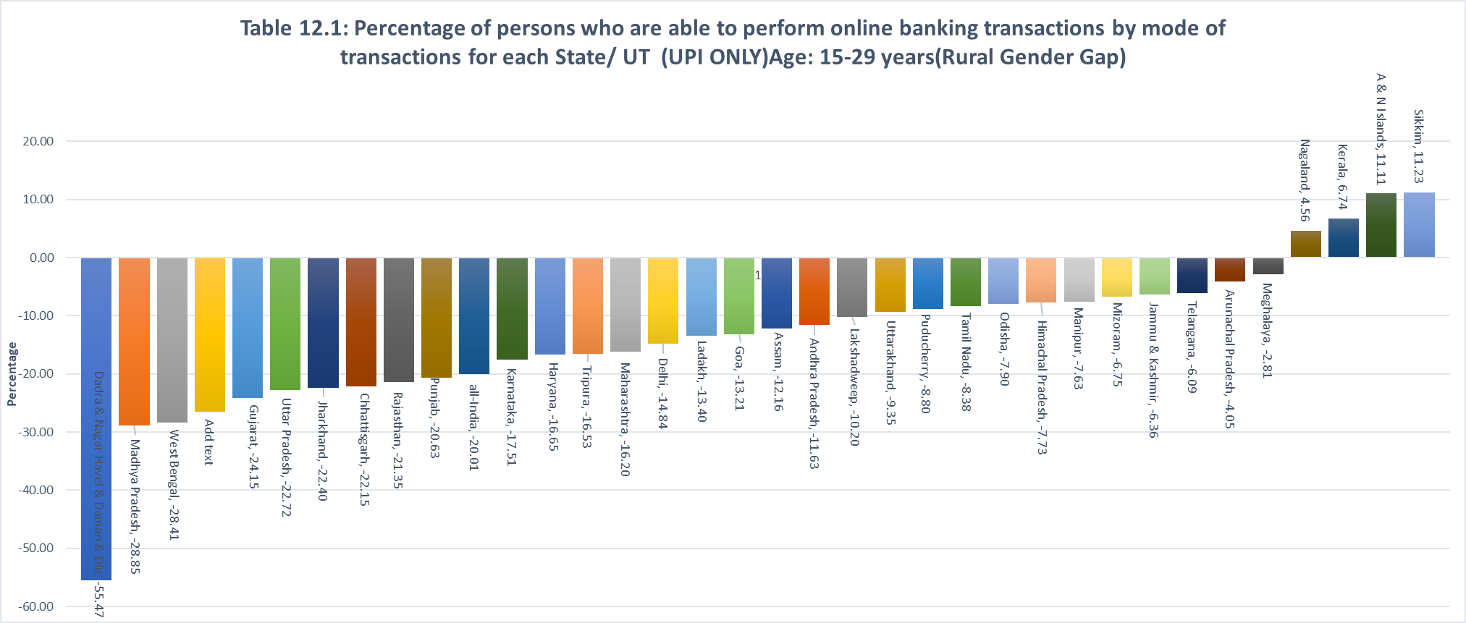

Sheet7
Table 12.1: Percentage of persons who are able to perform online banking transactions by mode of transactions for each State/ UT (UPI ONLY)Age: 15-29 years(Urban Gender Gap)
 | Uttarakhand | Goa | Chandigarh | West Bengal | Haryana | Jharkhand | Gujarat | Tripura | Dadra & Nagar Havel & Daman & Diu | Punjab | Rajasthan | Sikkim
 | -23.90 | -22.42 | -21.92 | -17.75 | -17.51 | -15.31 | -15.11 | -14.86 | -14.36 | -13.94 | -13.51 | -13.04

Sheet8
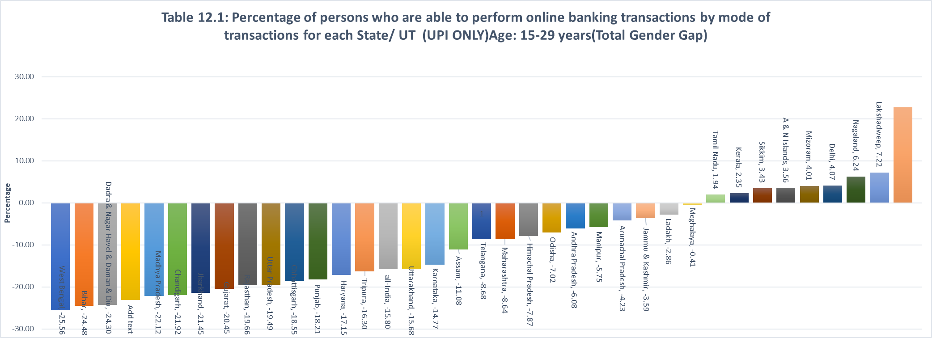

Sheet9
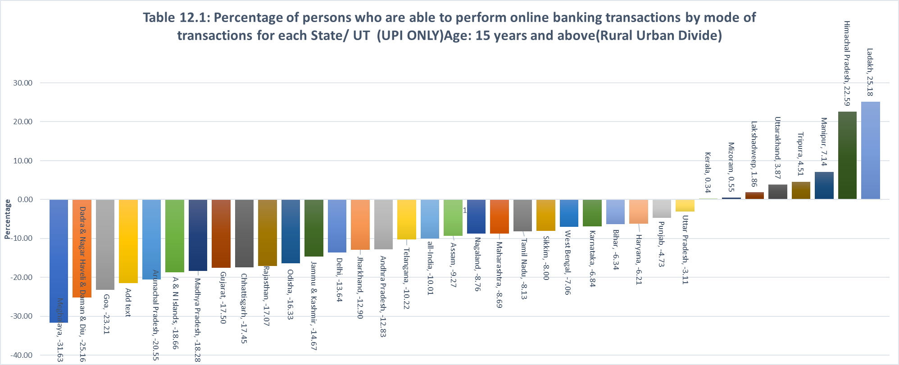

Sheet10
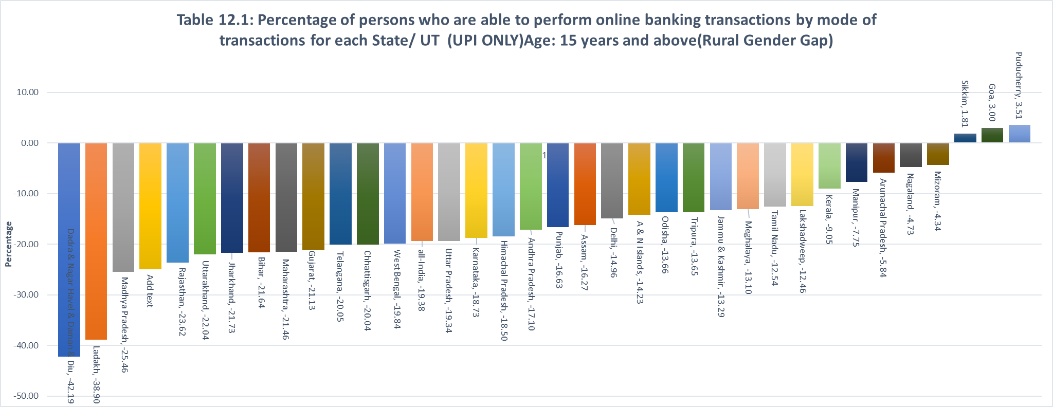

Sheet11
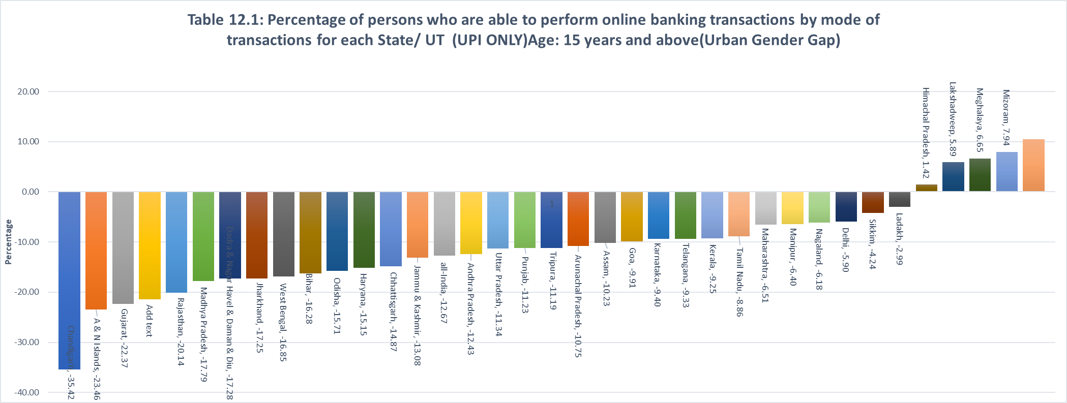

Sheet12
